Assignment
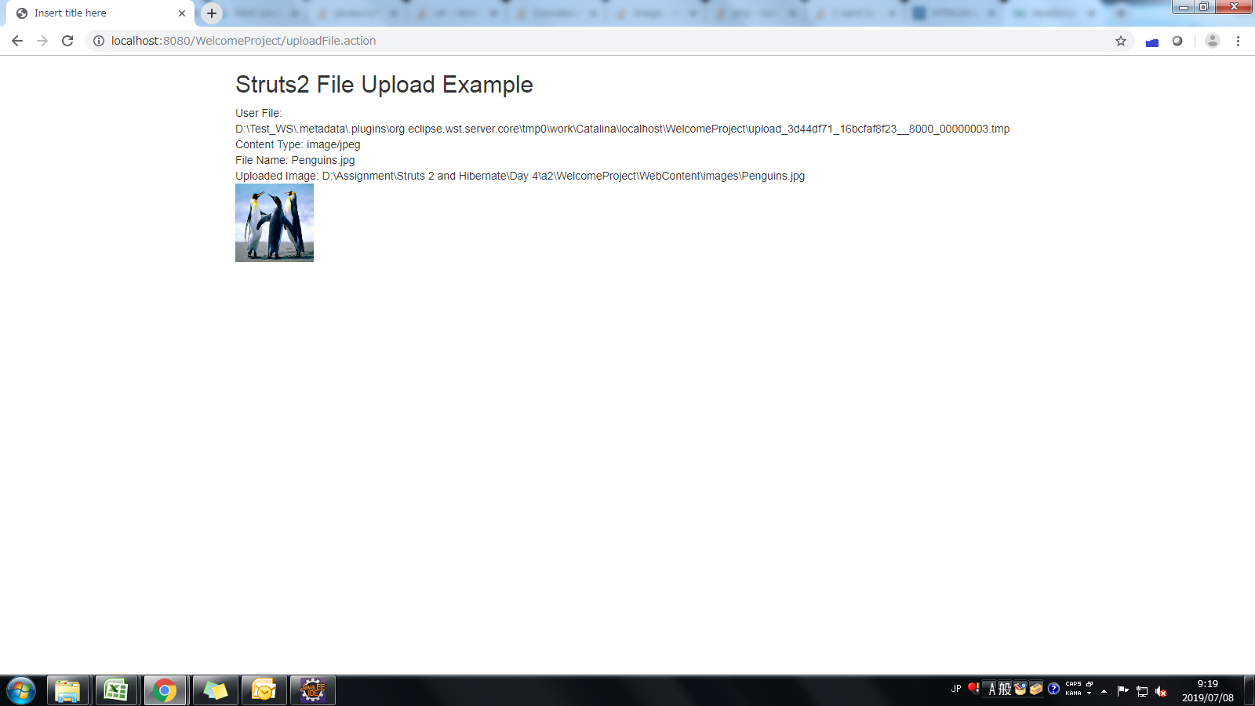
 | Upload Files using Upload Interceptor
 | Class UploadAction.java
 | Properties : file, fileName, fileContentType
 | Method execute
 | Create a Upload JSP File and upload the file using this action
 | Call uploadFile method from CommonLogic class
 | Display Success/ Failure message on browser along with the image uploaded.
 | Create a constant in Constants.java file to store the Upload path on the server. Uploaded file should be inside the WEB-INF directory
 | Observation:- Try Uploading the files in a folder outside WEB-INF directory and note the necessary changes

Login Screen


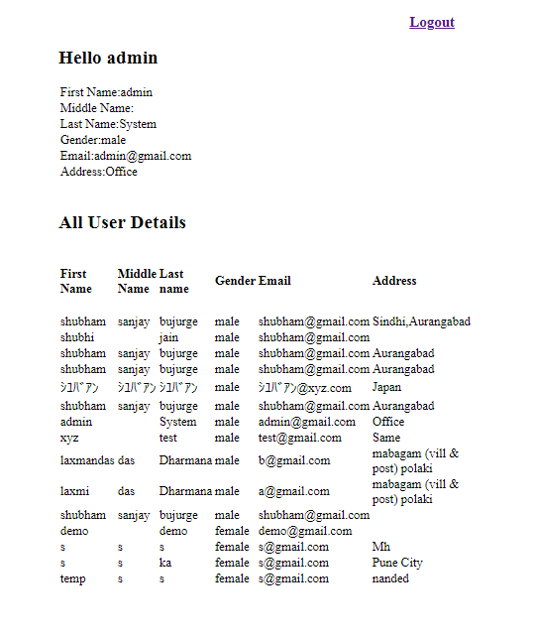

UserInfo List


File Upload Screen

File upload success screen

